Sheet1
Resistance (ohm) | Gain
1000 | 51
 |  | Current Measurement | 12 bits for -10 to 10 V
 |  | Voltage Measurement | 12 bits for 0 to 5 V
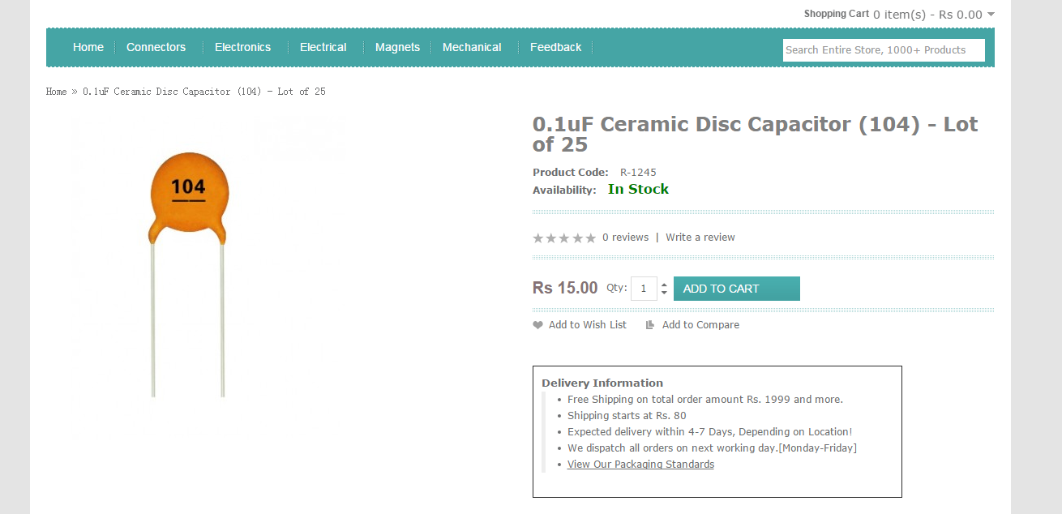
Measured Resistance | 4.7k
Capacitor | 0.1uF Ceramic Disc Capacitor (104)

